AE.000244
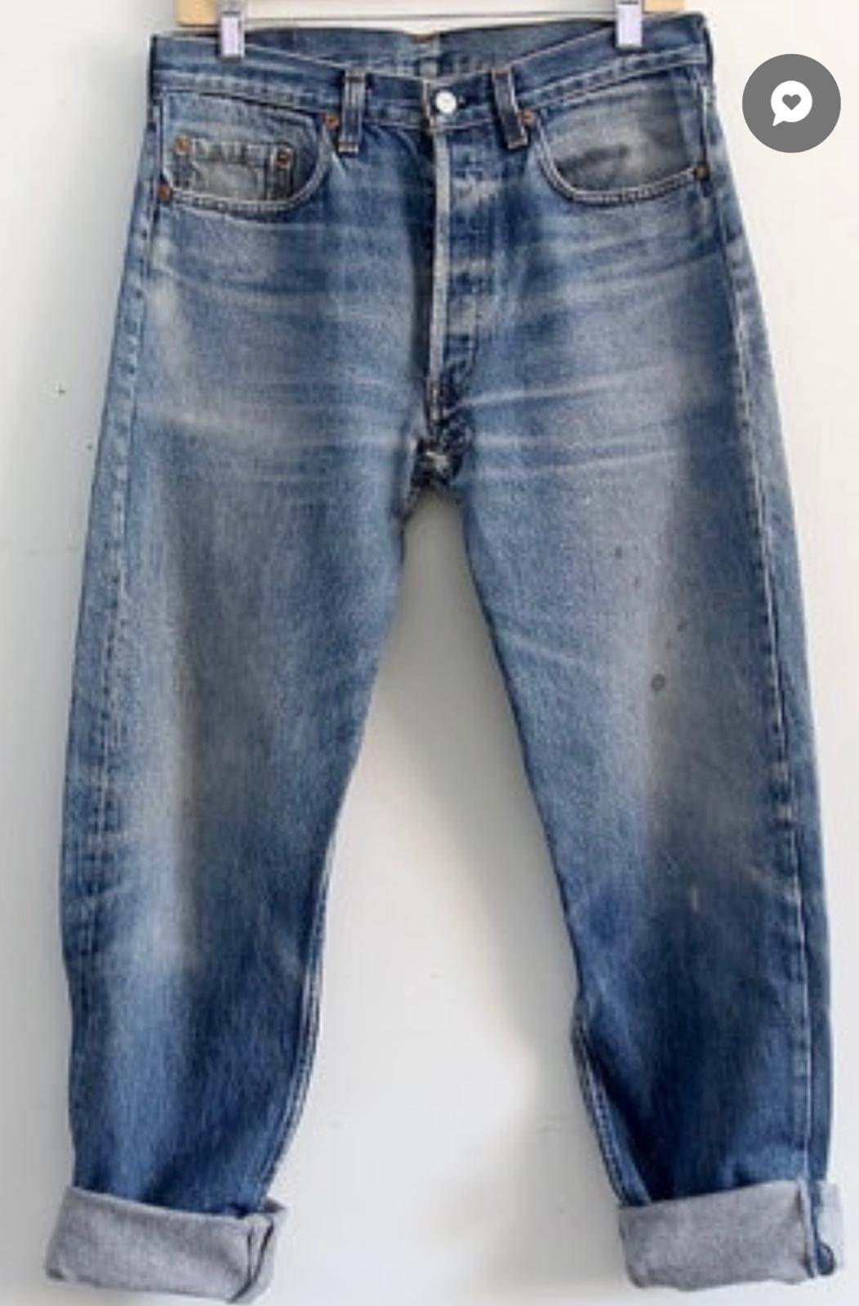
dcr
DATE | 2025-05-11 |  |  | WASH:CODE |  | AE.000244
FINISHER:CODE |  |  |  |  |  | DRYPROCESS.AND WET PROCES
MODEL:CODE
SAP CODE | AEMN006932
FABRIC:CODE | DNM:CAPRICE ARZURE BLUE
QUANTITY | 1 PCS
ROLL:CODE | ROLL:515378
UNITS
TYPE MACHINE
DRYING TIME (Min.) :
COMMENTS:
PAGE | ICE |  |  | WASH:SUPERVISOR:MODA
 | E | of | 1 |  |  |  | Supplier | PH Value
ACTION | TIME | TEMP | Liters | AMT | UNITS | Chemicals
 | WASH ASPER PICTURES

DESIZE |  | 50 |  | 1 | GRM | LAVA SPERSE
RINSE X2 | 2 | RT |  | 1 | GRM | LUBRICANT

PROCESS LASER AKTIVATOR | 10 |  |  |  | GRM | LAVA CON LSB. %25
DRAIN&OPEN | 5 |  |  |  | GRM | LAVA CON OZN %25
EXTRACT&DRY. (3 MINT |  |  |  |  | GRM | WATER %50
DRY:TEMP. C. 60
LASER.WHISKER
LASER HANSAD
OZON %50. 5 MUNITES
RINSE X3 | 2 | 50

WATER FREE ENZYME WASHING |  |  |  | 30 | GRM | LAVA CELL NSY
 |  |  |  | 5 | K/G | NEW STONE
RINSE | 2 | RT |  | 200 | GRM | KKT POWDER

HYPO/BLEACH |  | RT |  |  | GRM | HYPO
 |  |  |  |  | GRM | COUSTIC SODA
RINSE | 2 | RT

HYPO/BLEACH |  | RT |  |  | GRM | HYPO
RINSE | 2 | RT |  |  | GRM | COUSTIC SODA

NEUTRALIZATION |  | RT |  |  | GRM | PEROXIDE
RINSE | 2 | RT
EXTRACT&DRY
RINSE X1
2 MUNITES EXTRACT
 | GREEN. POWDER
 |  |  |  |  | GRM | NEAR BLEACH AW
 |  |  |  |  | GRM | NEAR BLEACH AW G

NEUTRALIZATION | 5 | RT |  |  | GRM | A.ACCID
RINSE | 2 | RT |  |  | GRM | BISULFIT

CLEAN UP |  | 50 |  |  | GRM | NEAR CAND OP EXTRA
 |  |  |  |  | GRM | COUSTIC SODA
RINSE X3 |  |  |  |  | GRM | PEROXIDE

EXTRACT&DRY
HYPO/PP SPRAY |  |  |  | 10 | GRM | PERMENGANATE
 |  |  |  | 200 | GRM | HYPO
 |  |  |  | 800 | GRM | WATER

NEUTRALIZATION | 5 | RT |  |  | GRM | ROYACTIVEX KS
RINSE | 2 | RT

BIOPOLISHING |  | 55 |  |  | GRM | LAVA CELL BNG
 |  |  |  |  | GRM | A.ACID. PH/55
RINSE | 2 | RT

WASH SOFT |  | 35 |  |  | GRM | NEARSopht/WO3
EXTRACT&DRY |  |  |  |  | GRM | A.ACID. PH/5

